Inputs
 | pipeNominalOD |  | 0.24765 | m
 | pipeNominalWT |  | 0.034925 | m
 | pipeMinimumWT |  | 0.034925 | m
 | pipeNominalID |  | 0.1778
 | pipeExternalPressure |  | 0
 | pipeInternalPressure |  | 0.00E+00
 | pipeTensionEffective |  | 6674724 | N
 | pipeMoment |  | 0
 | pipeYieldStrength |  | 5.52E+08 | Pa

 | pipeMinimumID |  | 0.1778 | m

 | pipeA |  | 0.023340213256 | m^2
 | pipeAi |  | 0.024828666476 | m^2
 | pipeAo |  | 0.048168879732 | m^2

 | pipeI |  | 0.00013558236884 | m^4
pipeTensionTrue | pipeTensionEffective + (pipeInternalPressure*pipeAi) - (pipeExternalPressure*pipeAo)
 | pipeTensionTrue |  | 6674724

 |  |  | 0

 |  |  | 0

 | T/A |  | 285975279.09
 | M/2I |  | 0

 |  |  | 285975279.09 |  | Considering Addition

 |  |  | 285975279.09 |  | Considering Subtraction

 |  |  | 0.70710678119

 |  |  | 1.6356372051E+17

 |  |  | 285975279.09 | Pa |  | L.H.S of Equation(5)

 |  |  | 41.477207606 | Ksi |  | L.H.S of Equation(5)

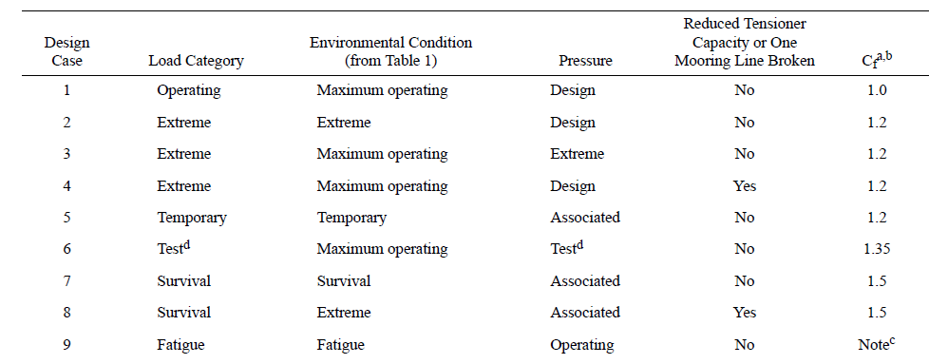
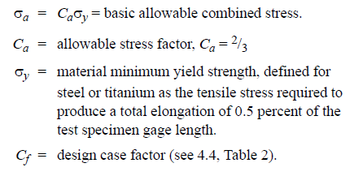

Cf |  | 1.5 |  | Considering Survival load category

 |  |  | 3.68E+08

 |  |  | 5.52E+08 |  | R.H.S of Equation(5)

 |  |  | 79.999857515 | Ksi

Limits
 |  | Solve For? | Internal Pressure |  |  |  | Tension
 |  |  |  |  |  |  |  | Tensile Yield Strength
 |  | Units
Geometry
pipeNominalOD |  | m | 0.24765 | 0.24765
pipeNominalWT |  | m | 0.034925 | 0.034925
pipeMinimumWT |  | m | 0.034925 | 0.034925
pipeNominalID |  |  | 0.1778 | 0.1778

Material Properties
Yield Strength |  | ksi | 80
 |  | Pa | 5.52E+08

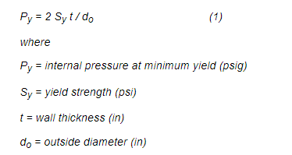
pipeA |  | m^2 | 0.023340213256
pipeAi | Ai | m^2 | 0.024828666476
pipeAo | Ao | m^2 | 0.048168879732
pipeI | I | m^4 | 0.00013558236884

Loading
pipeExternalPressure | Po |  | 0 |  |  |  | 0
pipeInternalPressure | Pi | ksi | 0 |  |  |  | 0
pipeTensionEffective |  | N | 0 |  |  |  | 16996724.431
pipeMoment |  | Nm | -4.60E+05 |  |  |  | 0 | 0

PipeTrueTension |  |  | pipeTensionEffective + (pipeInternalPressure*pipeAi) - (pipeExternalPressure*pipeAo) |  |  |  | T
T |  |  | Pi*Ai

 | ^ | +
Cf |  |  | 1.5 | 1.2 | 1 |  | 1.5 | 1.2

 |  |  |  |  |  |  | -(PoDo+PiDi)/(Do+Di)
 |  |  |  |  |  |  | 0.0000

 |  |  |  |  |  |  | (Pi-Po)Do/(2t) - Pi
 |  |  |  |  |  |  | 0.000

 |  |  |  |  |  |  | T/A+(M/2I)(Do-t) | 1/A
 |  |  |  |  |  |  | (M/2I)(Do-t) | -360863661.093

 |  |  |  |  |  |  | 0.000

 |  |  |  |  |  |  | {[Pi(Do/2t)-Pi]-[T/A+(M/2I)(Do-t)]}^2
 |  |  |  |  |  |  | T/A+(M/2I)(Do-t) ]^2
 |  |  |  |  |  |  | (T/A)^2 + (M/2I)(Do-t) ]^2 + 2*(M/2I)(Do-t) ]*(T/A)

 |  |  |  |  |  |  | (T/A)^2 + (M/2I)(Do-t) ]^2 + 2*(M/2I)(Do-t) ]*(T/A)

 |  |  |  |  |  |  | 1/A | 42.845
 |  |  |  |  |  |  | 2*(1/A) | 85.689
 |  |  |  |  |  |  | (1/A)^2 | 1835.652

 |  |  |  |  |  |  | (SIGMApr-SIGMApo)^2+(T/A)^2 + (M/2I)(Do-t) ]^2 + 2*(M/2I)(Do-t) ]*(T/A) + (T/A)^2 + (M/2I)(Do-t) ]^2 + 2*(M/2I)(Do-t) ]*(T/A)
 |  |  |  |  |  |  | (SIGMApr-SIGMApo)^2 + 2*(T/A)^2 + 2*(M/2I)(Do-t) ]^2 + 4*(M/2I)(Do-t) ]*(T/A)

 |  |  |  |  |  |  | 2*(M/2I)(Do-t) ]^2 | 2.6044516379E+17
 |  |  |  |  |  |  | (SIGMApr-SIGMApo)^2 + 2*(M/2I)(Do-t) ]^2 | 2.6044516379E+17
 |  |  |  |  |  |  |  | 0.000
 |  |  |  |  |  |  |  | LHS

Ca |  |  | 0.666 | 0.8 | 1

 |  | pa | 53.28 | 6.40E+01 | 8.00E+01

 |  | Ksi | 80 | 7.68E+01 | 53.28 | RHS
 |  | pa | 5.51E+08 | 5.30E+08 | 3.67E+08

 |  |  |  |  |  |  | Square on both sides

 |  |  |  | = |  |  | =

 |  |  |  |  |  | T^2
 |  |  |  |  |  |  | (SIGMApr-SIGMApo)^2 + 2*(T/A)^2 + 2*(M/2I)(Do-t) ]^2 + 4*(M/2I)(Do-t) ]*(T/A) = 2*{Cf*SigmaA}^2
 |  |  |  |  |  |  | 2*(T/A)^2 + 4*(M/2I)(Do-t) ]*(T/A) = 2*{Cf*SigmaA}^2 - 2*(M/2I)(Do-t) ]^2 - (SIGMApr-SIGMApo)^2

 |  |  |  |  |  |  | 2*{Cf*SigmaA}^2 - 2*(M/2I)(Do-t) ]^2 - (SIGMApr-SIGMApo)^2 | 9.45E+15

 |  |  |  |  |  |  | 2* (T/A)^2 = 2*{Cf*SigmaA}^2 - 2*(M/2I)(Do-t) ]^2 - (SIGMApr-SIGMApo)^2
 |  |  |  |  |  |  | (T/A)^2 + 2*(M/2I)(Do-t) ]*(T/A) = [2*{Cf*SigmaA}^2 - 2*(M/2I)(Do-t) ]^2 - (SIGMApr-SIGMApo)^2 ] / 2 | 4.73E+15

 |  |  |  |  |  |  | a = (1/A)^2 | 1835.65
 |  |  |  |  |  |  | b= 2*(M/2I)(Do-t) ]*(1/A) | -30922053465.07
 |  |  |  |  |  |  | c= RHS | -4.7254012158E+15

 |  |  |  |  |  |  | x1 | 16996724.43 | N | 16996.724431 | kN
 |  |  |  |  |  |  | x2 | -151454.82 | N | -151.45481858 | kN

BM Vs Tension plot
Pipe Capacity Utilization Chart 15 ksi Pressure, 6-5/8" Pipe
0.00 | 1929.09
-74.00 | 1884.66
-118.40 | 1813.17
-177.60 | 1656.91
-222.00 | 1482.00
-266.40 | 1235.02
-310.80 | 855.71
-344.10 | 239.57
-344.10 | -239.57
-310.80 | -855.71
-266.40 | -1235.02
-222.00 | -1482.00
-177.60 | -1656.91
-118.40 | -1813.17
-74.00 | -1884.66
0.00 | -1929.09
74.00 | -1884.66
118.40 | -1813.17
177.60 | -1656.91
222.00 | -1482.00
266.40 | -1235.02
310.80 | -855.71
344.10 | -239.57
344.10 | 239.57
310.80 | 855.71
266.40 | 1235.02
222.00 | 1482.00
177.60 | 1656.91
118.40 | 1813.17
74.00 | 1884.66
0.00 | 1929.09

